Instructions
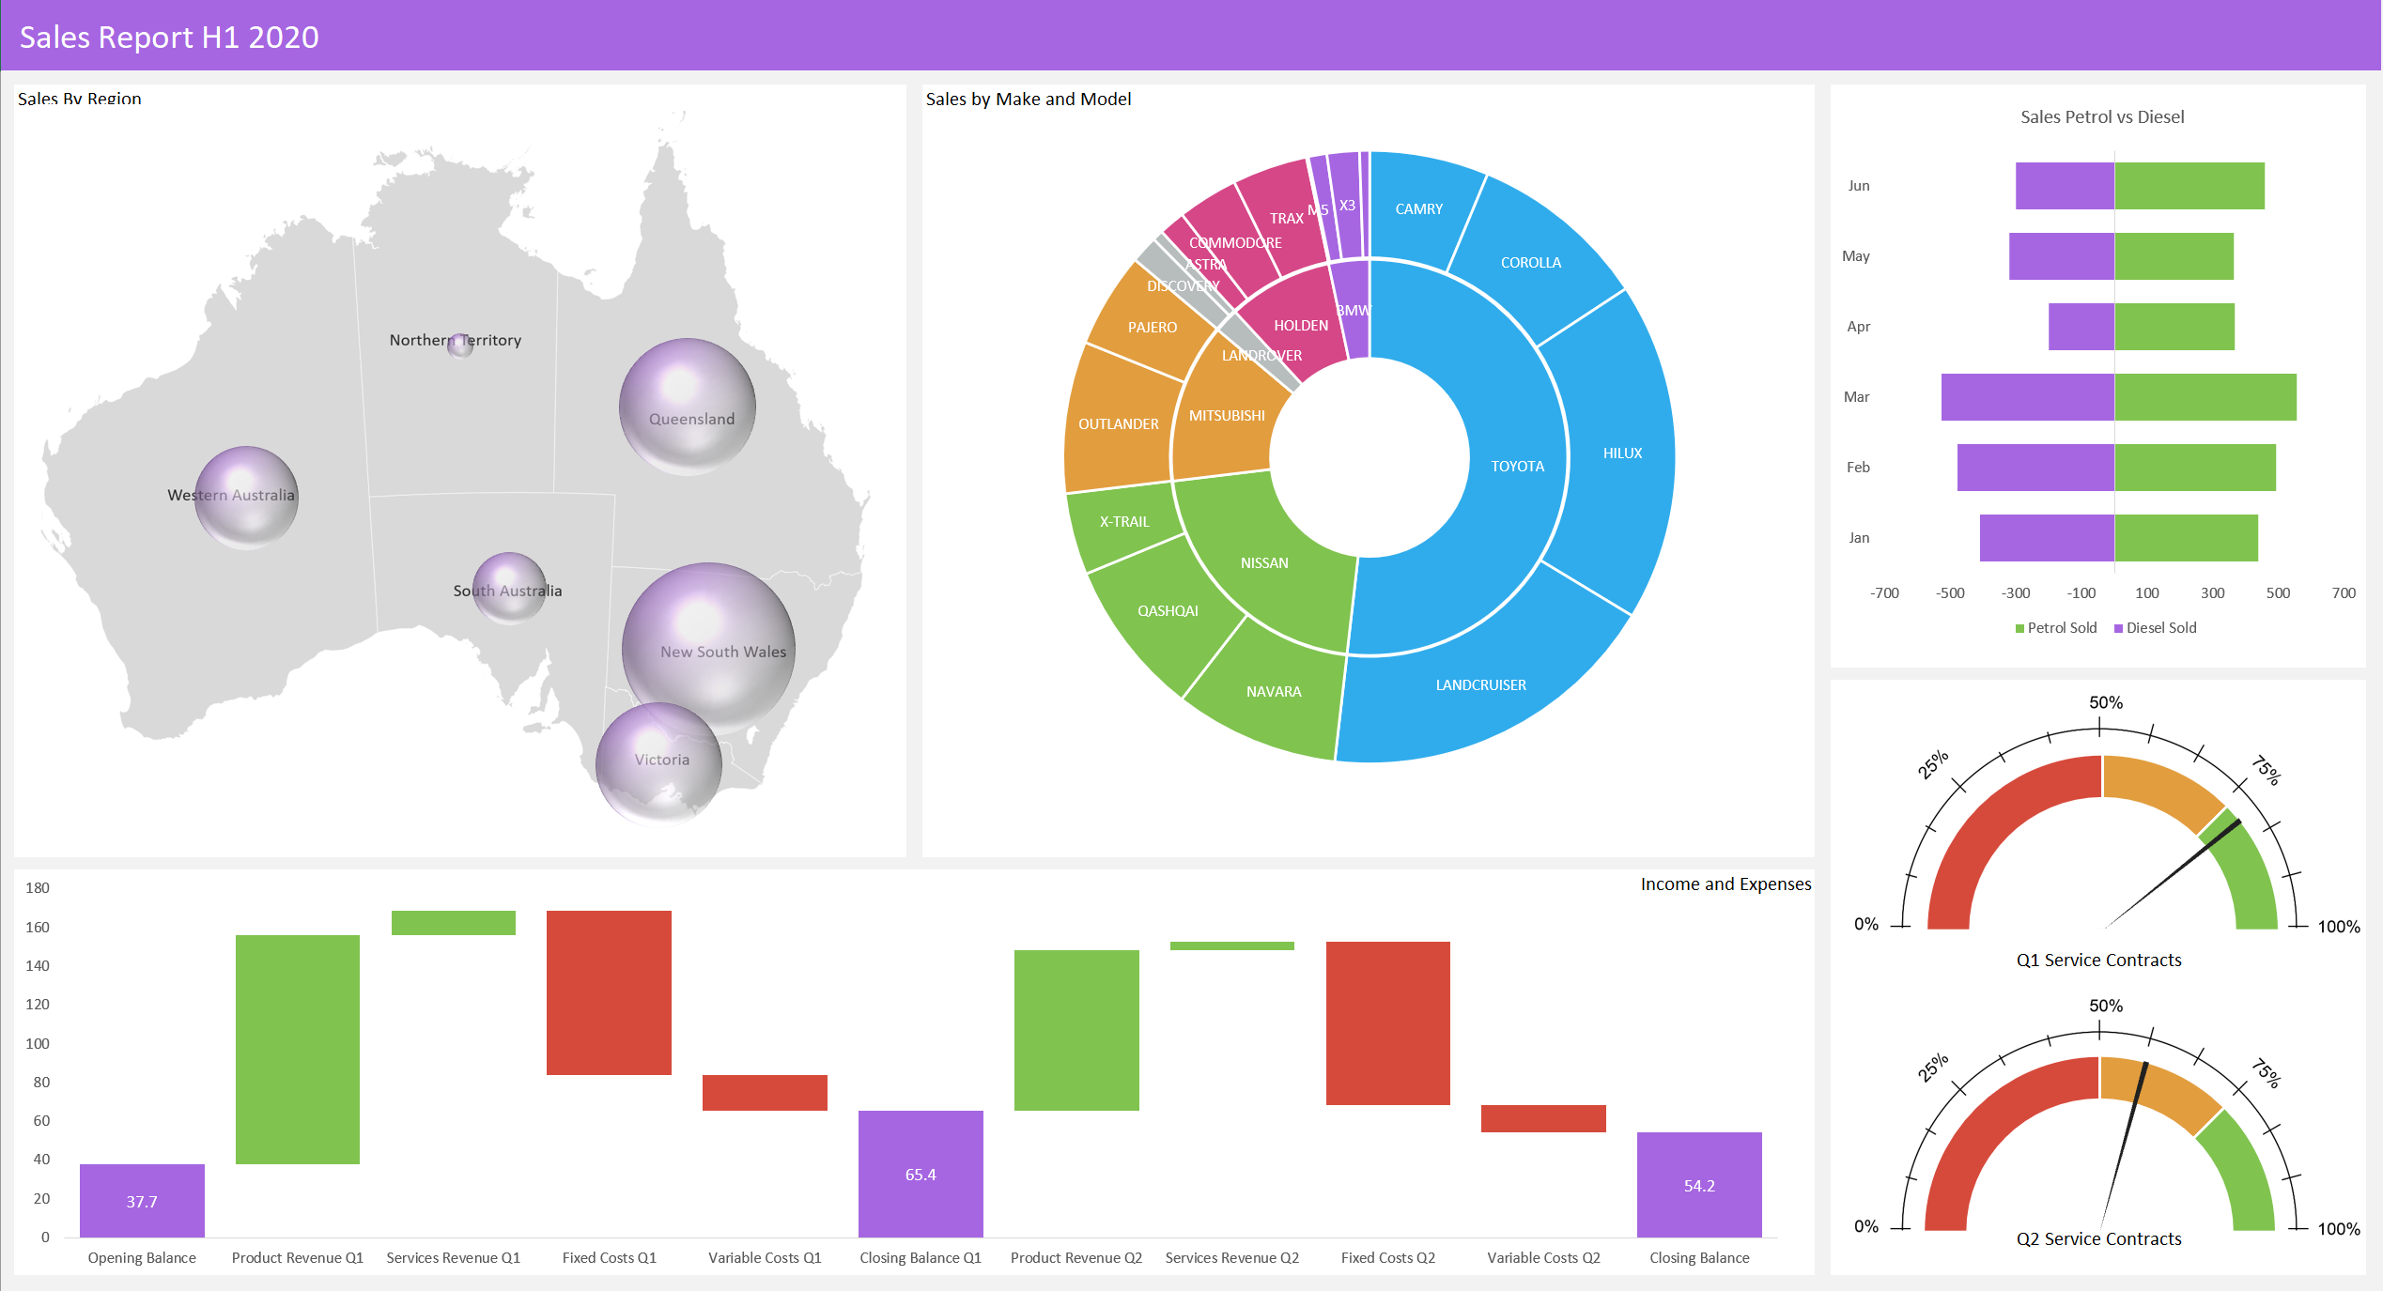

 |  | Excel Skills for Data Analytics and Visualization
 |  | Course 2 — Data Visualization in Excel

 |  | Week 3 Practice Challenge

Instructions
In this week's challenge you're going to create a report using the more specialised charts we just learned about. Where your version of Excel does not support the new chart type we have provided an alternative option which will create a very similar type of visualisation using conventional chart types and a little creativity. If you are using the built in Excel chart please use the data in the Summary Data sheet, if you are doing an alternative chart (which you may wish to try even if you have the built in type) please use the data in the Alternative Map/Sunburst/Waterfall sheets.

1) | The Summary data sheet has some key metrics for the first half of 2020 for a car retailer with branches across Australia. The first chart you are going to create is a Map chart showing sales by region. If you do not have the Map chart feature, please go to the Alternative Map sheet and follow the instructions provided there.
a) | Select A27:B33 in Summary Data and insert a Map chart
b) | Turn off Chart Title and Legend
c) | Change the data series options to Only Show Regions with Data and Show all Map labels
d) | Change the data series colour to be pale grey to purple
e) | Format the chart area to have no line, no fill colour and be 15cm high by 18cm wide
d) | Move the chart (Cut Ctrl+X and Paste Ctrl+V) to B3 in the Charts sheet.

2) | The next chart you're going to create is a Sunburst chart showing the proportion of sales by make and model. If you do not have the Sunburst chart type please go to the Alternative Sunburst sheet and follow the instructions there.
a) | Select the data in A4:C22 in the Summary Data sheet and insert a Sunburst chart
b) | Change the series line width to be 0.25pt and make it white
c) | Show the legend on the left and turn off the Chart title
d) | Resize the chart to 15cm high by 18cm wide and move to M3 in the Charts sheet

3) | To show income and expenses over the first two quarters we are going to use a Waterfall chart. If you don't have this chart type please go to the Alternative Waterfall sheet and follow the instructions there.
a) | Select the data in E4:F15 in the Summary Data sheet and insert a Waterfall chart
b) | Set the Opening Balance, Closing Balance Q1 and Closing Balance Q2 as Totals (right click the individual data points)
c) | Recolour the Totals to purple, Increases to green and Decreases to red
d) | Turn off the title, gridlines and legend
e) | Format the chart area to have no fill and no outline
f) | Resize to 7.8cm high by 36cm wide and move the chart to B35 in the Charts sheet

4) | The next chart we're going to create needs to show the comparative petrol and diesel sales from January to June. We're going to use a bar chart to create a funnel-like chart as we did with the populations graphs this week.
a) | Convert the Diesel values to negatives by copying the -1 and pasting special > multiply
b) | Select E27:G33 in the Summary Data sheet and insert a bar chart
c) | Change the series overlap to be 100% and the gap width to be 50%
d) | Select the vertical axis, go to format axis options and change the label position to Low
d) | Select the horizontal axis, and change the bounds to be minimum -700, maximum 700 and then turn it off
e) | Change the chart title to be Petrol vs Diesel and format the chart to have no outline
f) | Resize the chart to 11cm by 11cm and move to X3 in the Charts sheet

5) | The last two charts we are going to create are Gauge charts to show the percentage of sales that included service contracts for Q1 and Q2 (1 chart for each)
a) | Using the data in G18:G22 in the Summary Data sheet, create a Donut chart formatted to look like this: (Tip: change the angle of first slice to 270 and make the last slice no fill and no line)
b) | Use Select Data to add the data in F19:F21 to the chart (as a second series)
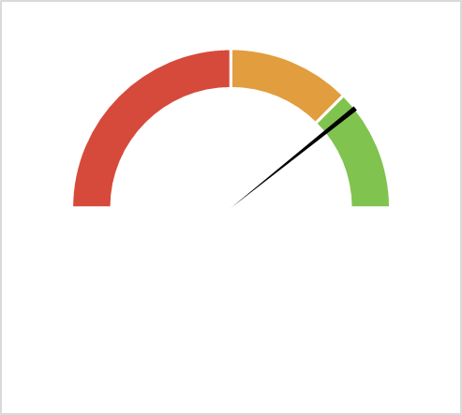
c) | Select the series you just added (outer ring) and change it to be a Pie chart on a second axis
d) | Format the Pie Chart, so that your chart now looks like this:
e) | Change the chart area to have no line and no fill and resize the chart to be 9cm high by 10cm wide
f) | Copy and Paste the Chart in the same sheet to create a second gauge chart
g) | Change the pointer series in the second chart to use the data in F22:F24 and reformat the pie
h) | Move both the charts to the Charts sheet and position them over the gauge images provided

Below are two examples of the finished product, the first using the built-in Excel charts, the second using creative work-arounds:

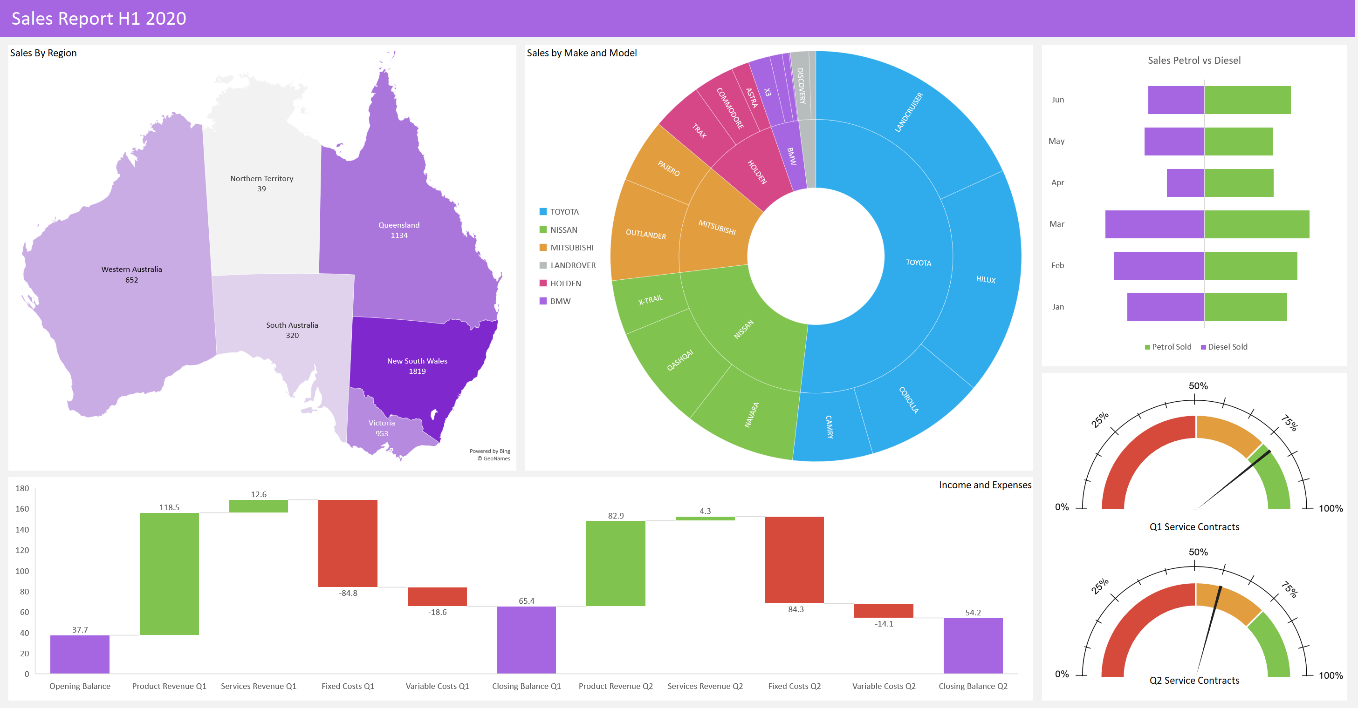

Alternative Charts

Charts
Sales Report H1 2020

Sales Petrol vs Diesel
 | Diesel Sold | Petrol Sold
Jan | -410 | 438
Feb | -479 | 492
Mar | -526 | 556
Apr | -200 | 366
May | -320 | 364
Jun | -300 | 458
Sales By Region | Sales by Make and Model

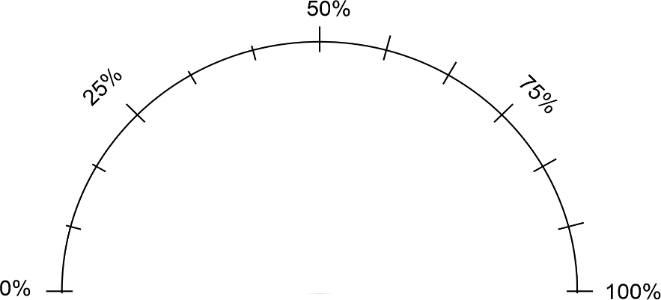
 |  | 78%
 | 2 | 78%
 | 1 | 1%
 | 1 | 121%
 | 4

 |  | Income and Expenses

 |  |  | Q1 Service Contracts


 |  | Q2 %
 | 2 | 58%
 | 1 | 1%
 | 1 | 141%
 | 4

 |  |  | Q2 Service Contracts

Alternative Charts
Sales Report H1 2020

9.5 | 3
9.2 | 7
8.8 | 1.1
3 | 5.5
6.7 | 4
6 | 7.5
 | Model
CAMRY | 309
COROLLA | 465
HILUX | 881
LANDCRUISER | 893
NAVARA | 427
QASHQAI | 407
X-TRAIL | 212
OUTLANDER | 394
PAJERO | 247
DISCOVERY | 71
RANGE ROVER | 28
ASTRA | 68
COMMODORE | 157
TRAX | 195
M5 | 5
X1 | 48
X3 | 84
X5 | 26
Sales Petrol vs Diesel
 | Diesel Sold | Petrol Sold
Jan | -410 | 438
Feb | -479 | 492
Mar | -526 | 556
Apr | -200 | 366
May | -320 | 364
Jun | -300 | 458
Sales By Region | Sales by Make and Model

TOYOTA | 2548
NISSAN | 1046
MITSUBISHI | 641
LANDROVER | 99
HOLDEN | 420
BMW | 163


 |  | 78%
 | 2 | 78%
 | 1 | 1%
 | 1 | 121%
 | 4

 | Balance | Increase | Decrease
Opening Balance | 37.7
Product Revenue Q1 | 37.7 | 118.5 | 0
Services Revenue Q1 | 156.2 | 12.6 | 0
Fixed Costs Q1 | 84 | 0 | 84.8
Variable Costs Q1 | 65.4 | 0 | 18.6
Closing Balance Q1 | 65.4 | 0 | 0
Product Revenue Q2 | 65.4 | 82.9 | 0
Services Revenue Q2 | 148.3 | 4.3 | 0
Fixed Costs Q2 | 68.3 | 0 | 84.3
Variable Costs Q2 | 54.2 | 0 | 14.1
Closing Balance | 54.2 | 0 | 0
 |  | Income and Expenses

 |  |  | Q1 Service Contracts


 |  | Q2 %
 | 2 | 58%
 | 1 | 1%
 | 1 | 141%
 | 4

 |  |  | Q2 Service Contracts

